3.2 Ceiling temperature
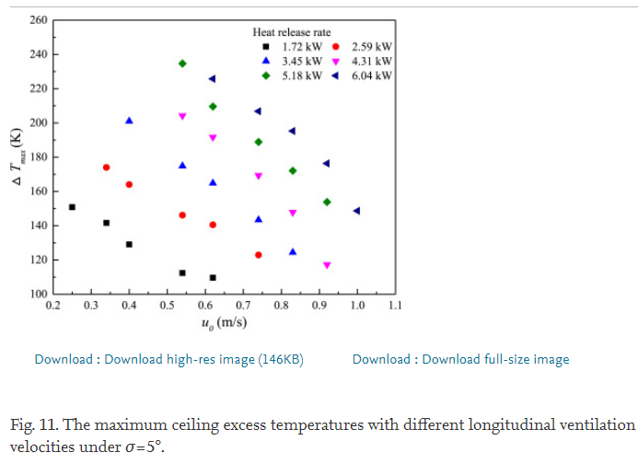
1. Maximum temperature and flame extension length in a longitudinal ventilated tunnel (2019 Longfei Chen)
Tunnel information
Scale | 1:10 |  | Fire source | Fire size
Length | 16.5 |  | LPG | 64
Width | 1.3 |  |  | 80
Height | 0.65 |  |  | 96
 |  |  |  | 112
 |  |  |  | 128
 |  |  |  | 144

64 kW | Distance | H=0.3m | -42.1978 | -35.2747 | -31.3187 | -26.044 | -16.1538 | 0 | 6.26374 | 11.8681 | 16.8132 | 20.7692 | 24.7253 | 31.6484 | 35.9341 | 41.2088 | 47.1429 | 51.0989
 | Temp[K] |  | 462.305 | 588.785 | 693.458 | 763.24 | 907.165 | 1094.7 | 1068.54 | 972.586 | 902.804 | 876.636 | 841.745 | 776.324 | 728.349 | 671.651 | 532.087 | 453.583
 |  | 0.35 | -42.1978 | -34.9451 | -31.3187 | -26.044 | -16.4835 | 0.32967 | 5.93407 | 11.8681 | 16.8132 | 20.7692 | 24.7253 | 31.6484 | 35.9341 | 41.2088 | 46.4835 | 51.4286
 |  |  | 423.053 | 527.726 | 662.928 | 732.71 | 841.745 | 1112.15 | 1038.01 | 937.695 | 850.467 | 815.576 | 785.047 | 750.156 | 693.458 | 632.399 | 532.087 | 449.221
 |  | 0.4 | -42.1978 | -35.2747 | -31.3187 | -26.044 | -16.4835 | 0 | 5.93407 | 11.8681 | 16.8132 | 20.7692 | 24.7253 | 31.978 | 35.9341 | 40.8791 | 46.8132 | 51.0989
 |  |  | 383.801 | 492.835 | 632.399 | 706.542 | 763.24 | 1077.26 | 1020.56 | 902.804 | 750.156 | 706.542 | 684.735 | 654.206 | 658.567 | 597.508 | 462.305 | 401.246
144 kW | Distance | H=0.3m | -41.7543 | -35.0342 | -30.5758 | -26.1205 | -15.9468 | 0.263563 | 5.96801 | 11.9909 | 17.3828 | 21.1835 | 24.9871 | 32.2808 | 35.7581 | 41.1391 | 47.4508 | 51.2396
 | Temp[K] |  | 663.591 | 899.35 | 960.571 | 1008.71 | 1074.5 | 1162.31 | 1118.91 | 1079.88 | 1058.26 | 1019.15 | 993.12 | 958.494 | 893.2 | 823.614 | 658.111 | 566.66
 |  | 0.35 | -42.0955 | -35.0836 | -31.2177 | -26.1244 | -15.9557 | 0.574104 | 6.28151 | 12.3054 | 17.3759 | 21.496 | 25.2927 | 31.9396 | 36.0538 | 41.1223 | 47.4558 | 51.5551
 |  |  | 558.906 | 681.279 | 930.018 | 991.262 | 1035.25 | 1131.8 | 1101.47 | 1066.8 | 1027.73 | 997.354 | 940.795 | 853.809 | 797.261 | 749.47 | 679.918 | 557.949
 |  | 0.4 | -42.0985 | -35.0856 | -30.9299 | -26.1541 | -15.9626 | 0.251696 | 6.27756 | 12.2985 | 17.3601 | 21.4742 | 25.2759 | 32.5667 | 36.0439 | 41.1095 | 47.1284 | 51.2287
 |  |  | 545.822 | 672.557 | 799.187 | 860.42 | 1004.72 | 1109.98 | 1084.03 | 1036.27 | 957.952 | 901.404 | 866.651 | 818.941 | 753.646 | 692.771 | 636.292 | 518.684
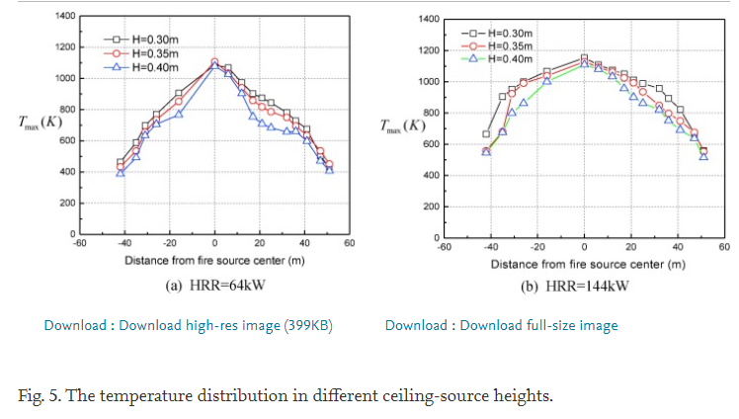

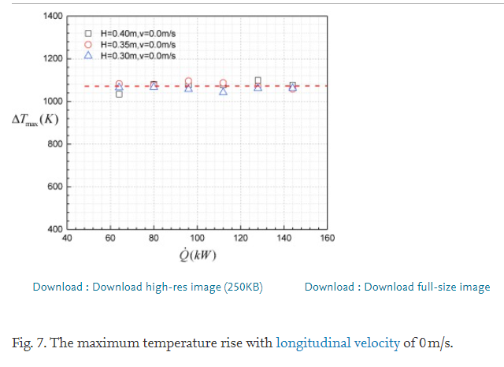
H [m] | kW | Max Temp.
0.3 | 63.7683 | 1068.46
 | 79.6367 | 1073.85
 | 95.7266 | 1060.38
 | 111.817 | 1044.2
 | 127.9 | 1063.07
 | 143.986 | 1065.77
0.35 | 63.9804 | 1092.72
 | 79.6355 | 1079.25
 | 95.7178 | 1100.81
 | 111.807 | 1090.03
 | 127.897 | 1076.55
 | 143.987 | 1060.38
0.4 | 63.9921 | 1038.81
 | 79.6349 | 1081.94
 | 95.7225 | 1079.25
 | 111.81 | 1076.55
 | 127.892 | 1100.81
 | 143.983 | 1079.25

 | ventilation
Q | V | Distance from fire | Temp. | V | Distance from fire | Temp. | V | Distance from fire | Temp. | V | Distance from fire | Temp. | V | Distance from fire | Temp. | V | Distance from fire | Temp.
64 kW | 0 | -42.3077 | 459.701 | 0.3 | -41.9231 | 397.015 | 0.6 | -42.3077 | 362.189 | 0.9 | -42.3077 | 306.468 | 1.2 | -41.9231 | 299.502 | 1.5 | -41.9231 | 306.468
 |  | -34.6154 | 585.075 |  | -35 | 473.632 |  | -35 | 410.945 |  | -35.3846 | 334.328 |  | -35 | 313.433 |  | -34.2308 | 299.502
 |  | -30.7692 | 703.483 |  | -30.7692 | 522.388 |  | -30.7692 | 445.771 |  | -31.1538 | 341.294 |  | -30.7692 | 299.502 |  | -30.7692 | 292.537
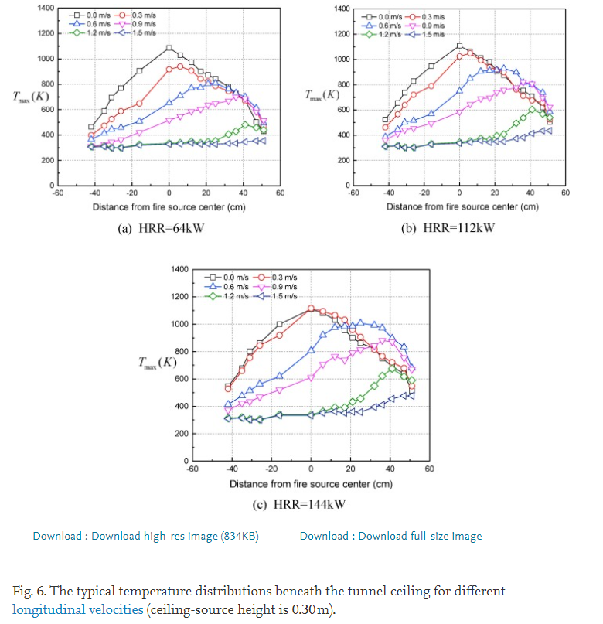
 | 0.0 m/s |  | 0.3 m/s |  | 0.6 m/s |  | 0.9 m/s |  | 1.2 m/s |  | 1.5 m/s
-41.9232 | 518 | -42.3596 | 462 | -42.404 | 385 | -42.0121 | 364 | -42.0485 | 301 | -41.6444 | 301
-34.5737 | 651 | -35.0303 | 560 | -35.0949 | 448 | -34.7111 | 413 | -35.1758 | 308 | -34.7758 | 301
-30.4848 | 735 | -30.9455 | 637 | -31.0222 | 504 | -31.0586 | 441 | -31.1394 | 301 | -31.1434 | 294
-25.9879 | 826 | -26.0485 | 721 | -26.1657 | 518 | -26.2061 | 448 | -26.2909 | 301 | -25.8909 | 294
-15.4141 | 945 | -15.5071 | 784 | -15.6323 | 567 | -15.6768 | 490 | -15.7697 | 329 | -15.7737 | 322
0.436364 | 1106 | 0.791919 | 1022 | -0.173737 | 749 | 0.137374 | 588 | -0.00808081 | 336 | 0.80404 | 343
6.06869 | 1064 | 6.46869 | 1057 | 6.34747 | 847 | 6.2303 | 644 | 6.06061 | 350 | 5.65253 | 343
12.9091 | 1015 | 12.4929 | 994 | 12.4404 | 903 | 11.9111 | 686 | 12.1333 | 371 | 12.1253 | 357
17.3333 | 980 | 17.3131 | 945 | 17.701 | 917 | 17.1677 | 693 | 16.9778 | 364 | 16.9657 | 343
25.3535 | 875 | 25.7737 | 903 | 21.7455 | 924 | 20.8323 | 742 | 21.0384 | 399 | 21.0101 | 350
32.1616 | 770 | 36.5737 | 714 | 25.7939 | 938 | 25.6889 | 756 | 25.4909 | 413 | 24.6424 | 343
36.1939 | 756 | 40.9939 | 672 | 32.2384 | 903 | 36.2303 | 819 | 32 | 490 | 32.3354 | 371
41.4222 | 714 | 47.4465 | 651 | 36.6424 | 833 | 41.4788 | 812 | 36.0646 | 532 | 36.3798 | 378
47.4303 | 623 | 51.4101 | 518 | 41.0667 | 798 | 47.4747 | 700 | 40.9535 | 602 | 41.2485 | 413
51.402 | 504 |  |  | 47.0949 | 742 | 51.4667 | 616 | 47.398 | 567 | 47.3212 | 434
 |  |  |  | 51.4465 | 581 |  |  | 51.4263 | 546 | 50.9576 | 434
 |  | -26.1538 | 766.169 |  | -26.1538 | 592.04 |  | -26.1538 | 459.701 |  | -25.7692 | 362.189 |  | -25.7692 | 299.502 |  | -25.7692 | 285.572
 |  | -16.1538 | 905.473 |  | -16.1538 | 647.761 |  | -16.1538 | 508.458 |  | -16.1538 | 424.876 |  | -16.1538 | 327.363 |  | -16.1538 | 320.398
 |  | 0 | 1093.53 |  | 0 | 926.368 |  | 0 | 654.726 |  | 0 | 515.423 |  | -0.384615 | 341.294 |  | 0 | 327.363
 |  | 5.76923 | 1030.85 |  | 5.76923 | 940.299 |  | 5.76923 | 703.483 |  | 6.15385 | 543.284 |  | 5.76923 | 348.259 |  | 6.15385 | 327.363
 |  | 11.9231 | 975.124 |  | 11.9231 | 905.473 |  | 11.9231 | 773.134 |  | 12.3077 | 585.075 |  | 11.9231 | 348.259 |  | 11.9231 | 341.294
 |  | 17.3077 | 905.473 |  | 16.9231 | 842.786 |  | 16.9231 | 773.134 |  | 16.9231 | 599.005 |  | 16.5385 | 341.294 |  | 17.3077 | 327.363
 |  | 20.7692 | 870.647 |  | 21.1538 | 828.856 |  | 21.1538 | 814.925 |  | 20.7692 | 633.831 |  | 20.7692 | 348.259 |  | 21.1538 | 334.328
 |  | 25.3846 | 849.751 |  | 25 | 787.065 |  | 25.3846 | 807.96 |  | 25 | 640.796 |  | 24.6154 | 355.224 |  | 25 | 327.363
 |  | 31.9231 | 780.1 |  | 31.9231 | 745.274 |  | 31.9231 | 766.169 |  | 32.3077 | 668.657 |  | 31.9231 | 403.98 |  | 31.9231 | 327.363
 |  | 36.1538 | 745.274 |  | 36.1538 | 717.413 |  | 36.1538 | 731.343 |  | 35.7692 | 696.517 |  | 36.5385 | 431.841 |  | 35.7692 | 334.328
 |  | 41.5385 | 668.657 |  | 41.1538 | 668.657 |  | 41.5385 | 703.483 |  | 41.5385 | 661.692 |  | 41.5385 | 480.597 |  | 41.1538 | 348.259
 |  | 46.9231 | 501.493 |  | 47.3077 | 585.075 |  | 46.9231 | 612.935 |  | 46.9231 | 585.075 |  | 47.3077 | 459.701 |  | 47.3077 | 355.224
 |  | 51.1538 | 431.841 |  | 51.5385 | 473.632 |  | 51.1538 | 487.562 |  | 51.1538 | 508.458 |  | 51.1538 | 438.806 |  | 51.1538 | 355.224

Q | V | Distance from fire | Temp. | V | Distance from fire | Temp. | V | Distance from fire | Temp. | V | Distance from fire | Temp. | V | Distance from fire | Temp. | V | Distance from fire | Temp.
112 kW | 0 | -41.9232 | 518 | 0.3 | -42.3596 | 462 | 0.6 | -42.404 | 385 | 0.9 | -42.0121 | 364 | 1.2 | -42.0485 | 301 | 1.5 | -41.6444 | 301
 |  | -34.5737 | 651 |  | -35.0303 | 560 |  | -35.0949 | 448 |  | -34.7111 | 413 |  | -35.1758 | 308 |  | -34.7758 | 301
 |  | -30.4848 | 735 |  | -30.9455 | 637 |  | -31.0222 | 504 |  | -31.0586 | 441 |  | -31.1394 | 301 |  | -31.1434 | 294
 |  | -25.9879 | 826 |  | -26.0485 | 721 |  | -26.1657 | 518 |  | -26.2061 | 448 |  | -26.2909 | 301 |  | -25.8909 | 294
 |  | -15.4141 | 945 |  | -15.5071 | 784 |  | -15.6323 | 567 |  | -15.6768 | 490 |  | -15.7697 | 329 |  | -15.7737 | 322
 |  | 0.436364 | 1106 |  | 0.791919 | 1022 |  | -0.173737 | 749 |  | 0.137374 | 588 |  | -0.00808081 | 336 |  | 0.80404 | 343
 |  | 6.06869 | 1064 |  | 6.46869 | 1057 |  | 6.34747 | 847 |  | 6.2303 | 644 |  | 6.06061 | 350 |  | 5.65253 | 343
 |  | 12.9091 | 1015 |  | 12.4929 | 994 |  | 12.4404 | 903 |  | 11.9111 | 686 |  | 12.1333 | 371 |  | 12.1253 | 357
 |  | 17.3333 | 980 |  | 17.3131 | 945 |  | 17.701 | 917 |  | 17.1677 | 693 |  | 16.9778 | 364 |  | 16.9657 | 343
 |  | 25.3535 | 875 |  | 25.7737 | 903 |  | 21.7455 | 924 |  | 20.8323 | 742 |  | 21.0384 | 399 |  | 21.0101 | 350
 |  | 32.1616 | 770 |  | 36.5737 | 714 |  | 25.7939 | 938 |  | 25.6889 | 756 |  | 25.4909 | 413 |  | 24.6424 | 343
 |  | 36.1939 | 756 |  | 40.9939 | 672 |  | 32.2384 | 903 |  | 36.2303 | 819 |  | 32 | 490 |  | 32.3354 | 371
 |  | 41.4222 | 714 |  | 47.4465 | 651 |  | 36.6424 | 833 |  | 41.4788 | 812 |  | 36.0646 | 532 |  | 36.3798 | 378
 |  | 47.4303 | 623 |  | 51.4101 | 518 |  | 41.0667 | 798 |  | 47.4747 | 700 |  | 40.9535 | 602 |  | 41.2485 | 413
 |  | 51.402 | 504 |  |  |  |  | 47.0949 | 742 |  | 51.4667 | 616 |  | 47.398 | 567 |  | 47.3212 | 434
 |  |  |  |  |  |  |  | 51.4465 | 581 |  |  |  |  | 51.4263 | 546 |  | 50.9576 | 434

Q | V | Distance from fire | Temp. | V | Distance from fire | Temp. | V | Distance from fire | Temp. | V | Distance from fire | Temp. | V | Distance from fire | Temp. | V | Distance from fire | Temp.
144 kW | 0 | -42.069 | 547.404 | 0.3 | -42.064 | 528.049 | 0.6 | -42.0357 | 418.37 | 0.9 | -42.0257 | 379.659 | 1.2 | -42.0091 | 315.142 | 1.5 | -42.0074 | 308.691
 |  | -35.2365 | 682.52 |  | -34.8683 | 656.694 |  | -35.1832 | 476.066 |  | -34.8084 | 424.433 |  | -35.1432 | 321.225 |  | -35.1415 | 314.773
 |  | -31.2921 | 804.889 |  | -31.2788 | 753.275 |  | -30.8557 | 514.543 |  | -31.1955 | 430.69 |  | -31.1639 | 308.108 |  | -31.1622 | 301.656
 |  | -26.2468 | 862.682 |  | -26.2435 | 849.779 |  | -26.1685 | 559.452 |  | -25.4223 | 469.089 |  | -25.7421 | 307.816 |  | -26.1019 | 301.384
 |  | -15.7997 | 997.604 |  | -16.1429 | 926.655 |  | -16.0629 | 616.973 |  | -16.0379 | 520.198 |  | -15.9896 | 333.098 |  | -15.9913 | 339.55
 |  | -0.285663 | 1106.45 |  | 0.0724567 | 1119.33 |  | 0.152409 | 809.65 |  | 0.204045 | 609.647 |  | -0.0874478 | 338.695 |  | -0.0857821 | 332.243
 |  | 5.86733 | 1073.86 |  | 5.86067 | 1099.67 |  | 5.90731 | 919.018 |  | 5.60082 | 706.131 |  | 5.6891 | 364.191 |  | 6.41534 | 351.249
 |  | 12.022 | 1034.82 |  | 12.0153 | 1060.62 |  | 11.6755 | 976.772 |  | 12.0936 | 757.395 |  | 12.55 | 389.628 |  | 11.8338 | 363.86
 |  | 17.104 | 950.674 |  | 16.7208 | 1034.57 |  | 17.0956 | 982.932 |  | 16.7991 | 731.335 |  | 16.5276 | 382.963 |  | 16.5376 | 344.253
 |  | 21.0916 | 905.298 |  | 21.0782 | 956.912 |  | 21.0699 | 989.17 |  | 20.7601 | 789.187 |  | 21.2148 | 427.872 |  | 20.8717 | 356.923
 |  | 24.7177 | 859.942 |  | 25.0675 | 905.084 |  | 25.0409 | 1008.31 |  | 24.7311 | 808.328 |  | 25.1825 | 459.917 |  | 25.2108 | 350.238
 |  | 31.9584 | 814.391 |  | 32.3199 | 814.372 |  | 31.9134 | 988.587 |  | 31.9518 | 840.198 |  | 32.3882 | 549.852 |  | 32.4298 | 388.56
 |  | 35.9527 | 743.209 |  | 36.3075 | 768.996 |  | 35.5346 | 962.586 |  | 36.2808 | 872.224 |  | 35.9843 | 620.627 |  | 36.3991 | 414.153
 |  | 41.3878 | 691.304 |  | 41.018 | 723.582 |  | 41.3345 | 897.758 |  | 41.3428 | 865.5 |  | 41.0297 | 678.42 |  | 40.7265 | 452.63
 |  | 47.186 | 632.928 |  | 47.1743 | 678.089 |  | 47.1327 | 839.382 |  | 47.5191 | 742.587 |  | 47.191 | 613.572 |  | 46.8662 | 471.654
 |  | 51.555 | 510.112 |  | 51.545 | 548.822 |  | 51.5151 | 664.953 |  | 50.7922 | 664.992 |  | 51.1736 | 587.552 |  | 51.565 | 471.402

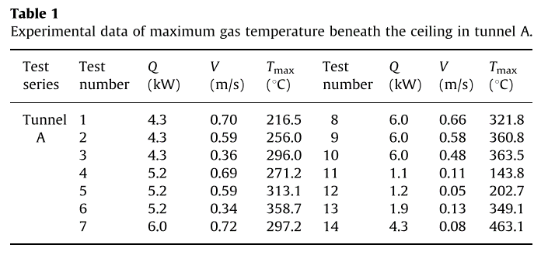
2. Maximum temperature beneath the ceiling (2011 Ying Zhen Li )
Tunnel information
Scale | 1:23 |  | Fire source | Fire size
Length | 12 |  | porous bed nurner | 2-15 [kW]
Width | 0.25
Height | 0.25

 |  | Ventilation velocity
 | Q | V | Tmax |  | Q | V | Tmax
 | 4.3 | 0.7 | 216.5 |  | 2 | 0.33 | 53.9
 | 4.3 | 0.59 | 256 |  | 2 | 0.36 | 49.1
 | 4.3 | 0.36 | 296 |  | 2 | 0.38 | 45.8
 | 5.2 | 0.69 | 271.2 |  | 3.5 | 0.41 | 89.4
 | 5.2 | 0.59 | 313.1 |  | 3.5 | 0.43 | 77.7
 | 5.2 | 0.34 | 358.7 |  | 3.5 | 0.45 | 72.8
 | 6 | 0.72 | 297.2 |  | 4.6 | 0.43 | 106.8
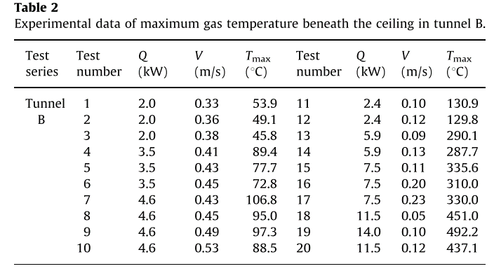
 | 6 | 0.66 | 321.8 |  | 4.6 | 0.45 | 95
 | 6 | 0.58 | 360.8 |  | 4.6 | 0.49 | 97.3
 | 6 | 0.48 | 363.5 |  | 4.6 | 0.53 | 88.5
 | 1.1 | 0.11 | 143.8 |  | 2.4 | 0.1 | 130.9
 | 1.2 | 0.05 | 202.7 |  | 2.4 | 0.12 | 129.8
 | 1.9 | 0.13 | 349.1 |  | 5.9 | 0.09 | 290.1
 | 4.3 | 0.08 | 463.1 |  | 5.9 | 0.13 | 287.7
 |  |  |  |  | 7.5 | 0.11 | 335.6
 |  |  |  |  | 7.5 | 0.2 | 310
 |  |  |  |  | 7.5 | 0.23 | 330
 |  |  |  |  | 11.5 | 0.05 | 451
 |  |  |  |  | 14 | 0.1 | 492.2
 |  |  |  |  | 11.5 | 0.12 | 437.1

3. Transverse Maximum temperature in road tunnel (2013 C. G. Fan et al. )
Tunnel information
Scale | 1:6 |  | Fire source | Fire size
Length | 6 |  | Methanol | 3.38-29.57 | [kW]
Width | 2
Height | 0.88

Distance | HRR
1 | 3.38 | x | 0.00E+00 | 0.10371 | 0.200647 | 0.398175 | 0.603013 | 0.647763 | 0.80021 | 0.900418 | 1.00093 | 1.19928 | 1.39773 | 1.59963 | 1.79764
 |  | y | 12.3286 | 15.4376 | 17.0036 | 21.6776 | 29.4357 | 29.9609 | 40.7877 | 51.6011 | 56.2502 | 44.4861 | 30.6672 | 22.4999 | 17.4138
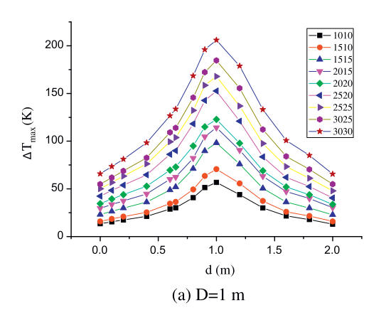
 | 4.93 | x | 0.00E+00 | 0.10371 | 0.200647 | 0.398175 | 0.603013 | 0.647763 | 0.80021 | 0.900418 | 1.00093 | 1.19928 | 1.39773 | 1.59963 | 1.79764
 |  | y | 15.9245 | 18.5188 | 21.1141 | 25.7872 | 34.5698 | 36.1262 | 49.5214 | 63.4189 | 71.1473 | 55.2756 | 37.3462 | 26.0967 | 22.038
 | 6.95 | x | 0.00E+00 | 0.10371 | 0.200647 | 0.398175 | 0.603013 | 0.647763 | 0.80021 | 0.900418 | 1.00093 | 1.19928 | 1.39773 | 1.59963 | 1.79764
 |  | y | 22.6034 | 26.7379 | 29.8449 | 36.5756 | 48.957 | 52.0506 | 71.6083 | 90.1271 | 97.8583 | 76.3331 | 50.7012 | 36.3696 | 30.2561
 | 9.44 | x | 0.00E+00 | 0.10371 | 0.200647 | 0.398175 | 0.603013 | 0.647763 | 0.80021 | 0.900418 | 1.00093 | 1.19928 | 1.39773 | 1.59963 | 1.79764
 |  | y | 29.2824 | 34.4442 | 37.5522 | 44.7957 | 59.2308 | 61.8098 | 80.8547 | 103.999 | 113.27 | 90.2057 | 63.0317 | 47.159 | 40.0201
 | 12.56 | x | 0.00E+00 | 0.10371 | 0.200647 | 0.398175 | 0.603013 | 0.647763 | 0.80021 | 0.900418 | 1.00093 | 1.19928 | 1.39773 | 1.59963 | 1.79764
 |  | y | 34.4193 | 39.0674 | 43.2028 | 51.9854 | 68.4734 | 73.112 | 95.2372 | 113.758 | 122.515 | 97.9082 | 69.1932 | 52.8068 | 44.6395
 | 16.45 | x | 0.00E+00 | 0.10371 | 0.200647 | 0.398175 | 0.603013 | 0.647763 | 0.80021 | 0.900418 | 1.00093 | 1.19928 | 1.39773 | 1.59963 | 1.79764
 |  | y | 42.6384 | 47.7992 | 52.963 | 64.3141 | 86.9683 | 88.5208 | 117.842 | 142.525 | 150.767 | 121.025 | 83.5756 | 62.566 | 52.3458
 | 20.21 | x | 0.00E+00 | 0.10371 | 0.200647 | 0.398175 | 0.603013 | 0.647763 | 0.80021 | 0.900418 | 1.00093 | 1.19928 | 1.39773 | 1.59963 | 1.79764
 |  | y | 49.8291 | 56.533 | 62.7241 | 75.6182 | 99.2988 | 102.392 | 131.197 | 157.423 | 166.178 | 135.921 | 96.4198 | 72.8436 | 62.104
 | 23.8 | x | 0.00E+00 | 0.10371 | 0.200647 | 0.398175 | 0.603013 | 0.647763 | 0.80021 | 0.900418 | 1.00093 | 1.19928 | 1.39773 | 1.59963 | 1.79764
 |  | y | 55.4807 | 61.6699 | 68.8846 | 82.2942 | 108.03 | 113.18 | 144.553 | 172.835 | 183.131 | 155.957 | 113.375 | 83.1194 | 69.8123
 | 29.57 | x | 0.00E+00 | 0.10371 | 0.200647 | 0.398175 | 0.603013 | 0.647763 | 0.80021 | 0.900418 | 1.00093 | 1.19928 | 1.39773 | 1.59963 | 1.79764
 |  | y | 65.7555 | 73.4858 | 81.7297 | 98.7314 | 126.012 | 132.186 | 168.183 | 195.435 | 204.705 | 178.56 | 132.892 | 100.579 | 85.2221

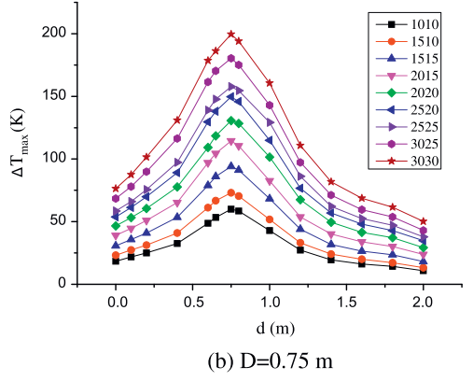
0.75 | 3.38 | x | 0.0024538 | 0.0974363 | 0.200649 | 0.406871 | 0.595967 | 0.65358 | 0.739872 | 0.789714 | 0.993942 | 1.20252 | 1.40199 | 1.60105 | 1.79996
 |  | y | 18.3333 | 21.1111 | 24.4444 | 33.3333 | 48.3333 | 52.2222 | 59.4444 | 57.7778 | 43.3333 | 26.6667 | 18.8889 | 15.5556 | 13.8889
 | 4.93 | x | 0.0024538 | 0.0974363 | 0.200649 | 0.406871 | 0.595967 | 0.65358 | 0.739872 | 0.789714 | 0.993942 | 1.20252 | 1.40199 | 1.60105 | 1.79996
 |  | y | 23.3333 | 28.3333 | 32.2222 | 40 | 62.2222 | 66.1111 | 72.7778 | 71.1111 | 52.7778 | 34.4444 | 25 | 21.6667 | 17.7778
 | 6.95 | x | 0.0024538 | 0.0974363 | 0.200649 | 0.406871 | 0.595967 | 0.65358 | 0.739872 | 0.789714 | 0.993942 | 1.20252 | 1.40199 | 1.60105 | 1.79996
 |  | y | 31.1111 | 36.1111 | 41.1111 | 53.8889 | 78.3333 | 86.6667 | 94.4444 | 91.1111 | 69.4444 | 45.5556 | 32.7778 | 27.2222 | 24.4444
 | 9.44 | x | 0.0024538 | 0.0974363 | 0.200649 | 0.406871 | 0.595967 | 0.65358 | 0.739872 | 0.789714 | 0.993942 | 1.20252 | 1.40199 | 1.60105 | 1.79996
 |  | y | 39.4444 | 45.5556 | 51.1111 | 65.5556 | 98.3333 | 104.444 | 114.444 | 110 | 83.3333 | 55 | 40.5556 | 35 | 31.1111
 | 12.56 | x | 0.0024538 | 0.0974363 | 0.200649 | 0.406871 | 0.595967 | 0.65358 | 0.739872 | 0.789714 | 0.993942 | 1.20252 | 1.40199 | 1.60105 | 1.79996
 |  | y | 46.6667 | 53.8889 | 61.1111 | 78.8889 | 109.444 | 118.889 | 130 | 128.333 | 102.222 | 67.7778 | 50 | 42.7778 | 36.6667
 | 16.45 | x | 0.0024538 | 0.0974363 | 0.200649 | 0.406871 | 0.595967 | 0.65358 | 0.739872 | 0.789714 | 0.993942 | 1.20252 | 1.40199 | 1.60105 | 1.79996
 |  | y | 55 | 61.1111 | 70 | 89.4444 | 129.444 | 137.778 | 149.444 | 146.111 | 115.556 | 77.2222 | 57.7778 | 47.7778 | 43.3333
 | 20.21 | x | 0.0024538 | 0.0974363 | 0.200649 | 0.406871 | 0.595967 | 0.65358 | 0.739872 | 0.789714 | 0.993942 | 1.20252 | 1.40199 | 1.60105 | 1.79996
 |  | y | 59.4444 | 66.6667 | 76.6667 | 97.2222 | 139.444 | 148.333 | 158.333 | 154.444 | 129.444 | 85.5556 | 63.3333 | 53.3333 | 46.6667
 | 23.8 | x | 0.0024538 | 0.0974363 | 0.200649 | 0.406871 | 0.595967 | 0.65358 | 0.739872 | 0.789714 | 0.993942 | 1.20252 | 1.40199 | 1.60105 | 1.79996
 |  | y | 68.8889 | 78.3333 | 90.5556 | 117.222 | 162.778 | 170 | 180.556 | 175.556 | 143.889 | 97.7778 | 72.2222 | 60.5556 | 54.4444
 | 29.57 | x | 0.0024538 | 0.0974363 | 0.200649 | 0.406871 | 0.595967 | 0.65358 | 0.739872 | 0.789714 | 0.993942 | 1.20252 | 1.40199 | 1.60105 | 1.79996
 |  | y | 77.7778 | 88.3333 | 101.111 | 130.556 | 179.444 | 186.111 | 200.556 | 194.444 | 161.111 | 111.111 | 82.2222 | 68.8889 | 61.6667

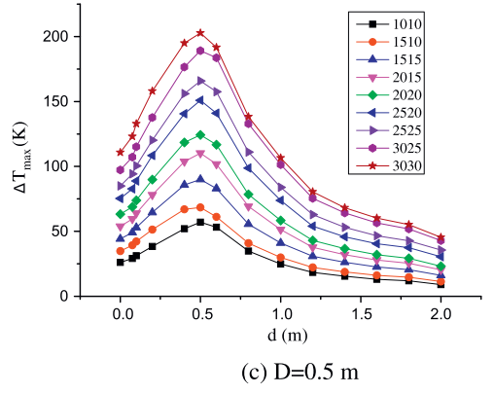
0.5 | 3.38 | x | 0.00862032 | 0.070826 | 0.105037 | 0.198296 | 0.397331 | 0.496863 | 0.593565 | 0.796526 | 0.996202 | 1.19575 | 1.40767 | 1.6009 | 1.79718
 |  | y | 26.1986 | 29.7945 | 31.8493 | 39.0411 | 51.3699 | 57.0205 | 52.3973 | 35.4452 | 24.6575 | 18.4932 | 15.411 | 12.3288 | 11.8151
 | 4.93 | x | 0.00862032 | 0.070826 | 0.105037 | 0.198296 | 0.397331 | 0.496863 | 0.593565 | 0.796526 | 0.996202 | 1.19575 | 1.40767 | 1.6009 | 1.79718
 |  | y | 35.9589 | 40.0685 | 42.1233 | 51.3699 | 65.7534 | 68.8356 | 60.6164 | 41.6096 | 30.8219 | 22.6027 | 18.4932 | 15.9247 | 14.8973
 | 6.95 | x | 0.00862032 | 0.070826 | 0.105037 | 0.198296 | 0.397331 | 0.496863 | 0.593565 | 0.796526 | 0.996202 | 1.19575 | 1.40767 | 1.6009 | 1.79718
 |  | y | 44.6918 | 47.2603 | 53.4247 | 64.726 | 85.274 | 88.8699 | 82.1918 | 55.4795 | 40.5822 | 30.8219 | 26.1986 | 21.5753 | 20.5479
 | 9.44 | x | 0.00862032 | 0.070826 | 0.105037 | 0.198296 | 0.397331 | 0.496863 | 0.593565 | 0.796526 | 0.996202 | 1.19575 | 1.40767 | 1.6009 | 1.79718
 |  | y | 54.4521 | 60.6164 | 64.2123 | 78.5959 | 102.74 | 109.418 | 101.199 | 69.3493 | 51.8836 | 38.0137 | 31.3356 | 27.226 | 25.1712
 | 12.56 | x | 0.00862032 | 0.070826 | 0.105037 | 0.198296 | 0.397331 | 0.496863 | 0.593565 | 0.796526 | 0.996202 | 1.19575 | 1.40767 | 1.6009 | 1.79718
 |  | y | 64.2123 | 70.8904 | 73.9726 | 89.8973 | 117.637 | 124.315 | 116.096 | 79.1096 | 59.0753 | 43.6644 | 36.9863 | 32.8767 | 29.7945
 | 16.45 | x | 0.00862032 | 0.070826 | 0.105037 | 0.198296 | 0.397331 | 0.496863 | 0.593565 | 0.796526 | 0.996202 | 1.19575 | 1.40767 | 1.6009 | 1.79718
 |  | y | 75.5137 | 81.6781 | 88.3562 | 107.877 | 139.726 | 150 | 140.753 | 99.1438 | 73.4589 | 54.4521 | 46.7466 | 40.5822 | 36.9863
 | 20.21 | x | 0.00862032 | 0.070826 | 0.105037 | 0.198296 | 0.397331 | 0.496863 | 0.593565 | 0.796526 | 0.996202 | 1.19575 | 1.40767 | 1.6009 | 1.79718
 |  | y | 85.274 | 93.4932 | 100.685 | 118.664 | 154.11 | 163.356 | 157.192 | 111.986 | 84.2466 | 63.6986 | 52.911 | 46.2329 | 43.1507
 | 23.8 | x | 0.00862032 | 0.070826 | 0.105037 | 0.198296 | 0.397331 | 0.496863 | 0.593565 | 0.796526 | 0.996202 | 1.19575 | 1.40767 | 1.6009 | 1.79718
 |  | y | 97.6027 | 105.822 | 114.041 | 135.616 | 175.685 | 186.986 | 181.849 | 131.507 | 100.685 | 75.5137 | 64.726 | 55.4795 | 50.8562
 | 29.57 | x | 0.00862032 | 0.070826 | 0.105037 | 0.198296 | 0.397331 | 0.496863 | 0.593565 | 0.796526 | 0.996202 | 1.19575 | 1.40767 | 1.6009 | 1.79718
 |  | y | 110.445 | 121.233 | 131.507 | 157.705 | 193.664 | 200.856 | 191.096 | 138.185 | 106.849 | 79.6233 | 67.8082 | 59.589 | 54.9658

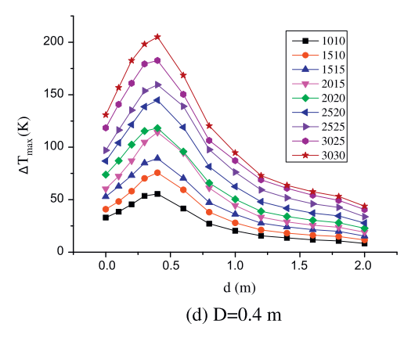
0.4 | 3.38 | x | 0 | 0.101045 | 0.197474 | 0.301167 | 0.386766 | 0.600249 | 0.792285 | 1.00602 | 1.19836 | 1.39434 | 1.59753 | 1.79715 | 2
 |  | y | 32.5737 | 38.6059 | 44.0349 | 53.6863 | 54.8928 | 41.622 | 26.5416 | 21.1126 | 15.6836 | 12.6676 | 12.0643 | 11.4611 | 7.23861
 | 4.93 | x | 0 | 0.101045 | 0.197474 | 0.301167 | 0.386766 | 0.600249 | 0.792285 | 1.00602 | 1.19836 | 1.39434 | 1.59753 | 1.79715 | 2
 |  | y | 41.0188 | 48.2574 | 57.3056 | 69.9732 | 76.0054 | 59.7185 | 39.8123 | 28.9544 | 21.7158 | 19.3029 | 15.6836 | 15.0804 | 10.8579
 | 6.95 | x | 0 | 0.101045 | 0.197474 | 0.301167 | 0.386766 | 0.600249 | 0.792285 | 1.00602 | 1.19836 | 1.39434 | 1.59753 | 1.79715 | 2
 |  | y | 53.0831 | 62.7346 | 72.9893 | 84.4504 | 89.2761 | 71.1796 | 48.2574 | 36.193 | 29.5576 | 24.1287 | 21.1126 | 19.3029 | 14.4772
 | 9.44 | x | 0 | 0.101045 | 0.197474 | 0.301167 | 0.386766 | 0.600249 | 0.792285 | 1.00602 | 1.19836 | 1.39434 | 1.59753 | 1.79715 | 2
 |  | y | 60.3217 | 72.9893 | 86.2601 | 104.96 | 114.611 | 95.3083 | 60.9249 | 44.0349 | 33.7802 | 29.5576 | 25.3351 | 24.1287 | 19.3029
 | 12.56 | x | 0 | 0.101045 | 0.197474 | 0.301167 | 0.386766 | 0.600249 | 0.792285 | 1.00602 | 1.19836 | 1.39434 | 1.59753 | 1.79715 | 2
 |  | y | 75.4021 | 88.0697 | 102.547 | 115.214 | 118.231 | 97.7212 | 66.3539 | 50.6702 | 38.6059 | 33.7802 | 30.1609 | 28.3512 | 22.319
 | 16.45 | x | 0 | 0.101045 | 0.197474 | 0.301167 | 0.386766 | 0.600249 | 0.792285 | 1.00602 | 1.19836 | 1.39434 | 1.59753 | 1.79715 | 2
 |  | y | 86.8633 | 104.357 | 121.85 | 137.534 | 144.772 | 119.437 | 81.4343 | 62.7346 | 48.2574 | 42.2252 | 37.3995 | 34.3834 | 27.748
 | 20.21 | x | 0 | 0.101045 | 0.197474 | 0.301167 | 0.386766 | 0.600249 | 0.792285 | 1.00602 | 1.19836 | 1.39434 | 1.59753 | 1.79715 | 2
 |  | y | 98.3244 | 117.024 | 135.121 | 153.82 | 159.249 | 139.343 | 98.3244 | 76.0054 | 59.7185 | 51.8767 | 45.8445 | 43.4316 | 33.7802
 | 23.8 | x | 0 | 0.101045 | 0.197474 | 0.301167 | 0.386766 | 0.600249 | 0.792285 | 1.00602 | 1.19836 | 1.39434 | 1.59753 | 1.79715 | 2
 |  | y | 118.834 | 141.153 | 160.456 | 179.155 | 182.172 | 150.201 | 106.166 | 87.4665 | 68.7668 | 59.7185 | 53.6863 | 48.8606 | 40.4155
 | 29.57 | x | 0 | 0.101045 | 0.197474 | 0.301167 | 0.386766 | 0.600249 | 0.792285 | 1.00602 | 1.19836 | 1.39434 | 1.59753 | 1.79715 | 2
 |  | y | 132.708 | 157.44 | 183.378 | 199.665 | 205.697 | 169.504 | 120.643 | 95.3083 | 72.9893 | 63.3378 | 56.7024 | 53.0831 | 43.4316

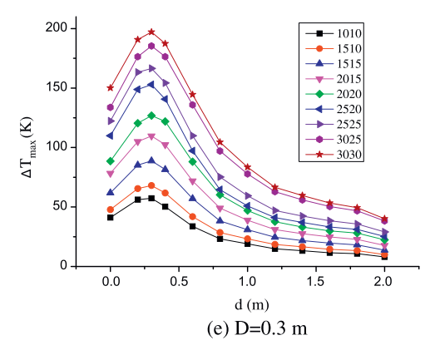
0.3 | 3.38 | x | 0 | 0.193313 | 0.299891 | 0.392544 | 0.598469 | 0.794174 | 1.00717 | 1.20984 | 1.40569 | 1.5981 | 1.79741 | 2
 |  | y | 42.7553 | 57.1853 | 60.3919 | 51.8409 | 34.7387 | 23.5154 | 19.7743 | 14.4299 | 12.8266 | 10.6888 | 10.1544 | 6.94774
 | 4.93 | x | 0 | 0.193313 | 0.299891 | 0.392544 | 0.598469 | 0.794174 | 1.00717 | 1.20984 | 1.40569 | 1.5981 | 1.79741 | 2
 |  | y | 50.772 | 67.8741 | 70.0119 | 64.6675 | 43.2898 | 30.4632 | 25.1188 | 19.7743 | 17.6366 | 14.4299 | 13.361 | 10.1544
 | 6.95 | x | 0 | 0.193313 | 0.299891 | 0.392544 | 0.598469 | 0.794174 | 1.00717 | 1.20984 | 1.40569 | 1.5981 | 1.79741 | 2
 |  | y | 64.6675 | 88.1829 | 90.8551 | 84.4418 | 59.323 | 40.0831 | 32.601 | 25.6532 | 21.9121 | 21.3777 | 19.2399 | 14.4299
 | 9.44 | x | 0 | 0.193313 | 0.299891 | 0.392544 | 0.598469 | 0.794174 | 1.00717 | 1.20984 | 1.40569 | 1.5981 | 1.79741 | 2
 |  | y | 81.7696 | 107.957 | 112.767 | 105.285 | 75.3563 | 51.8409 | 41.152 | 32.601 | 29.3943 | 26.1876 | 24.0499 | 19.2399
 | 12.56 | x | 0 | 0.193313 | 0.299891 | 0.392544 | 0.598469 | 0.794174 | 1.00717 | 1.20984 | 1.40569 | 1.5981 | 1.79741 | 2
 |  | y | 91.924 | 123.99 | 131.473 | 125.594 | 91.924 | 62.5297 | 49.1686 | 37.9454 | 33.6698 | 31.5321 | 28.3254 | 22.981
 | 16.45 | x | 0 | 0.193313 | 0.299891 | 0.392544 | 0.598469 | 0.794174 | 1.00717 | 1.20984 | 1.40569 | 1.5981 | 1.79741 | 2
 |  | y | 114.371 | 153.385 | 157.66 | 145.903 | 101.01 | 67.8741 | 52.9097 | 43.2898 | 37.9454 | 34.7387 | 32.601 | 26.1876
 | 20.21 | x | 0 | 0.193313 | 0.299891 | 0.392544 | 0.598469 | 0.794174 | 1.00717 | 1.20984 | 1.40569 | 1.5981 | 1.79741 | 2
 |  | y | 127.732 | 168.349 | 171.021 | 159.264 | 112.767 | 78.5629 | 61.4608 | 49.7031 | 44.8931 | 40.6176 | 36.8765 | 29.9287
 | 23.8 | x | 0 | 0.193313 | 0.299891 | 0.392544 | 0.598469 | 0.794174 | 1.00717 | 1.20984 | 1.40569 | 1.5981 | 1.79741 | 2
 |  | y | 138.42 | 181.176 | 190.261 | 181.71 | 140.558 | 100.475 | 80.7007 | 64.6675 | 57.1853 | 52.3753 | 47.5653 | 39.0143
 | 29.57 | x | 0 | 0.193313 | 0.299891 | 0.392544 | 0.598469 | 0.794174 | 1.00717 | 1.20984 | 1.40569 | 1.5981 | 1.79741 | 2
 |  | y | 155.523 | 197.209 | 202.553 | 194.002 | 149.644 | 109.561 | 88.1829 | 68.943 | 61.4608 | 55.5819 | 51.8409 | 42.2209

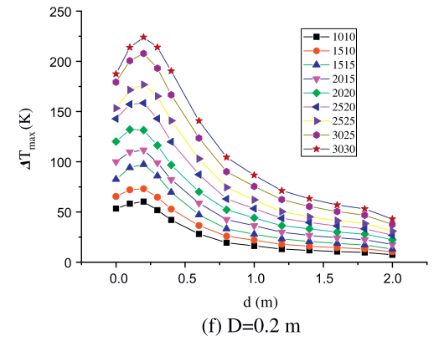
0.2 | 3.38 | x | 0 | 0.103102 | 0.197275 | 0.298744 | 0.400229 | 0.610031 | 0.798775 | 1.00828 | 1.20733 | 1.40282 | 1.59833 | 1.8008 | 2
 |  | y | 53.4474 | 57.6642 | 60.0955 | 51.2484 | 41.8074 | 28.2741 | 18.885 | 16.0402 | 12.5955 | 11.5239 | 9.85856 | 8.79115 | 6.5361
 | 4.93 | x | 0 | 0.103102 | 0.197275 | 0.298744 | 0.400229 | 0.610031 | 0.798775 | 1.00828 | 1.20733 | 1.40282 | 1.59833 | 1.8008 | 2
 |  | y | 65.3237 | 70.7323 | 71.9718 | 63.1309 | 52.4982 | 37.1771 | 26.0128 | 21.9742 | 17.9378 | 16.8683 | 14.6091 | 13.5417 | 10.099
 | 6.95 | x | 0 | 0.103102 | 0.197275 | 0.298744 | 0.400229 | 0.610031 | 0.798775 | 1.00828 | 1.20733 | 1.40282 | 1.59833 | 1.8008 | 2
 |  | y | 81.9526 | 92.6972 | 95.1326 | 84.5082 | 68.5332 | 47.2741 | 34.3262 | 27.9124 | 23.8759 | 21.027 | 18.172 | 16.5107 | 13.066
 | 9.44 | x | 0 | 0.103102 | 0.197275 | 0.298744 | 0.400229 | 0.610031 | 0.798775 | 1.00828 | 1.20733 | 1.40282 | 1.59833 | 1.8008 | 2
 |  | y | 99.767 | 109.328 | 110.57 | 98.1638 | 82.7827 | 59.74 | 42.6396 | 37.4155 | 31.0017 | 27.5549 | 24.1122 | 21.8551 | 18.4103
 | 12.56 | x | 0 | 0.103102 | 0.197275 | 0.298744 | 0.400229 | 0.610031 | 0.798775 | 1.00828 | 1.20733 | 1.40282 | 1.59833 | 1.8008 | 2
 |  | y | 119.959 | 130.708 | 130.757 | 115.976 | 96.4404 | 71.0225 | 52.7365 | 45.1351 | 37.5357 | 33.493 | 30.0503 | 28.9808 | 21.9732
 | 16.45 | x | 0 | 0.103102 | 0.197275 | 0.298744 | 0.400229 | 0.610031 | 0.798775 | 1.00828 | 1.20733 | 1.40282 | 1.59833 | 1.8008 | 2
 |  | y | 143.113 | 156.24 | 157.483 | 142.698 | 119.601 | 87.6514 | 64.0169 | 54.0381 | 44.0614 | 40.6188 | 35.9885 | 34.3272 | 26.7237
 | 20.21 | x | 0 | 0.103102 | 0.197275 | 0.298744 | 0.400229 | 0.610031 | 0.798775 | 1.00828 | 1.20733 | 1.40282 | 1.59833 | 1.8008 | 2
 |  | y | 153.21 | 170.485 | 174.706 | 164.073 | 139.787 | 102.497 | 75.2994 | 62.3578 | 50.5955 | 45.9652 | 41.3349 | 39.0798 | 31.4763
 | 23.8 | x | 0 | 0.103102 | 0.197275 | 0.298744 | 0.400229 | 0.610031 | 0.798775 | 1.00828 | 1.20733 | 1.40282 | 1.59833 | 1.8008 | 2
 |  | y | 178.746 | 200.774 | 206.774 | 192.578 | 167.1 | 123.88 | 91.3324 | 74.8258 | 62.4759 | 56.06 | 51.4256 | 47.3891 | 39.1938
 | 29.57 | x | 0 | 0.103102 | 0.197275 | 0.298744 | 0.400229 | 0.610031 | 0.798775 | 1.00828 | 1.20733 | 1.40282 | 1.59833 | 1.8008 | 2
 |  | y | 187.056 | 212.648 | 221.617 | 212.172 | 188.48 | 139.907 | 103.209 | 86.7 | 71.9769 | 63.7837 | 57.9596 | 53.921 | 43.3505

4. Aspect Ratio and Temperature (2005 S.Lee)
Tunnel information
Scale | 1:20 |  | Fire source | Fire size
Length | 10.4 |  | Heptane | 2.47-12.3
 |  |  |  | 2.47 | 3.84 | 5.63 | 8.27 | 9.96 | 12.3
Width | 0.06-0.03
 | 0.06 | 0.05 | 0.04 | 0.033 | 0.03
Height | 0.03-0.06
 | 0.03 | 0.033 | 0.04 | 0.05 | 0.06

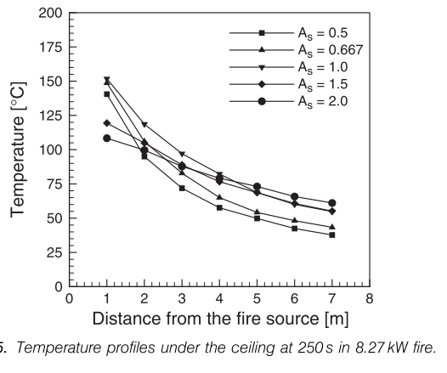
As | Distance | Max.T
0.5 | 1 | 140.176
 | 1.99481 | 94.4282
 | 2.99221 | 72.1408
 | 3.98961 | 57.478
 | 5.00779 | 49.2669
 | 6.00519 | 42.2287
 | 7.0026 | 37.5367
0.667 | 1 | 147.801
 | 1.99481 | 105.572
 | 2.99221 | 82.1114
 | 4.01039 | 65.1026
 | 5.00779 | 54.5455
 | 6.00519 | 48.0938
 | 7.0026 | 43.4018
1 | 1 | 151.906
 | 1.99481 | 118.475
 | 2.99221 | 97.3607
 | 4.01039 | 82.1114
 | 5.00779 | 68.6217
 | 6.00519 | 60.9971
 | 7.02338 | 55.132
1.5 | 1 | 119.648
 | 1.99481 | 104.985
 | 2.99221 | 89.7361
 | 4.01039 | 75.6598
 | 4.98701 | 68.0352
 | 5.98442 | 60.9971
 | 7.0026 | 55.132
2 | 1 | 107.918
 | 2.01558 | 99.1202
 | 2.99221 | 86.8035
 | 4.01039 | 79.1789
 | 5.00779 | 72.7273
 | 6.00519 | 66.2757
 | 7.0026 | 60.9971

5. Temperature on multiple point extraction (2017 Fengzhu Mei)
Tunnel information
Scale | 1:20 |  | Fire source | Fire size
Length | 8 |  | Propane | 1.5-4.5 [kW]
Width | 0.34 |  |  | 1.5 | 3 | 4.5
Height | 0.44

H | 1.5 kW | 0.299827 | 0.320115 | 0.339942 | 0.360231 | 0.369914 | 0.379597 | 0.390202 | 0.400346 | 0.41049 | 0.420634 | 0.430317
Temp |  | 17.8491 | 18.3396 | 18.8302 | 21.283 | 23.2453 | 31.5849 | 41.3962 | 43.3585 | 45.8113 | 49.7358 | 51.2075
H | 3kW | 0.299827 | 0.320115 | 0.339942 | 0.360231 | 0.369914 | 0.379597 | 0.390202 | 0.400346 | 0.41049 | 0.420634 | 0.430317
Temp |  | 20.7925 | 20.7925 | 22.2642 | 27.1698 | 41.3962 | 55.6226 | 72.3019 | 75.2453 | 78.6792 | 83.5849 | 87.0189
H | 4.5 kW | 0.299827 | 0.320115 | 0.339942 | 0.360231 | 0.369914 | 0.379597 | 0.390202 | 0.400346 | 0.41049 | 0.420634 | 0.430317
Temp |  | 22.7547 | 23.7358 | 25.2075 | 44.3396 | 80.6415 | 96.8302 | 114 | 118.906 | 119.887 | 127.245 | 131.17

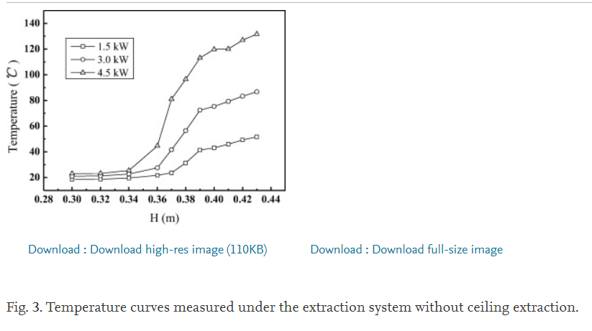

6. Temperature on ceiling above vertical shafts (2019 Shengzhong Zhao)
Tunnel information
Scale | 1:8 |  | Fire source | Fire size
Length | 20 |  | Kerosene | 30.3-79.4 [kW]
Width | 2
Height | 1
Venilation speed |  | 0-1
Number of shaft |  | 0-3

Location | HRR | Ventilation speed | 0.242601 | 1.27225 | 2.10654 | 2.93138 | 3.72609 | 4.74093 | 5.74887 | 6.75681 | 7.82323 | 8.84726 | 9.77374 | 10.7886 | 11.8757 | 12.926 | 13.934 | 14.9281 | 15.8707 | 16.9279 | 17.9267 | 18.9254
Temp. | 71.9 | 0 | 149.782 | 165.066 | 310.262 | 189.52 | 166.594 | 152.838 | 143.668 | 134.498 | 125.328 | 105.459 | 111.572 | 97.8166 | 74.8908 | 76.4192 | 67.2489 | 67.2489 | 62.6638 | 59.607 | 56.5502 | 53.4934
 | 48.7 | 0.5 | 119.214 | 129.913 | 152.838 | 178.821 | 119.214 | 85.5895 | 90.1747 | 85.5895 | 84.0611 | 81.0044 | 79.476 | 74.8908 | 38.2096 | 62.6638 | 61.1354 | 59.607 | 58.0786 | 56.5502 | 55.0218 | 51.9651
 | 49 | 0.75 | 93.2314 | 106.987 | 131.441 | 152.838 | 122.271 | 81.0044 | 79.476 | 76.4192 | 74.8908 | 71.8341 | 71.8341 | 70.3057 | 41.2664 | 56.5502 | 56.5502 | 51.9651 | 51.9651 | 51.9651 | 50.4367 | 48.9083
 | 59 | 1 | 19.869 | 73.3624 | 129.913 | 184.934 | 126.856 | 84.0611 | 76.4192 | 71.8341 | 73.3624 | 68.7773 | 67.2489 | 64.1921 | 47.3799 | 59.607 | 58.0786 | 55.0218 | 53.4934 | 53.4934 | 53.4934 | 50.4367

Location | HRR | Ventilation speed | 0.242601 | 1.27225 | 2.10654 | 2.93138 | 3.72609 | 4.74093 | 5.74887 | 6.75681 | 7.82323 | 8.84726 | 9.77374 | 10.7886 | 11.8757 | 12.926 | 13.934 | 14.9281 | 15.8707 | 16.9279 | 17.9267 | 18.9254
Temp. | 53.4 | 0 | 122.734 | 129.369 | 341.706 | 179.136 | 145.958 | 131.028 | 119.416 | 87.8972 | 86.2383 | 81.2617 | 77.9439 | 74.6262 | 63.014 | 56.3785 | 58.0374 | 54.7196 | 44.7664 | 41.4486 | 36.472 | 35.26
 | 46.6 | 0.5 | 104.486 | 114.439 | 150.935 | 167.523 | 129.369 | 87.8972 | 84.5794 | 56.3785 | 69.6495 | 69.6495 | 69.6495 | 41.4486 | 49.743 | 54.7196 | 51.4019 | 39.7897 | 46.4252 | 48.0841 | 47.851 | 45.96
 | 50.3 | 0.75 | 121.075 | 134.346 | 169.182 | 192.407 | 126.051 | 97.8505 | 99.5093 | 54.7196 | 76.285 | 76.285 | 74.6262 | 72.9673 | 44.7664 | 54.7196 | 59.6963 | 56.3785 | 58.0374 | 43.1075 | 51.4019 | 51.4019
 | 54.9 | 1 | 36.472 | 56.3785 | 149.276 | 159.229 | 121.075 | 89.5561 | 81.2617 | 66.3318 | 71.3084 | 71.3084 | 69.6495 | 53.0607 | 63.014 | 63.014 | 59.6963 | 59.6963 | 46.4252 | 49.743 | 54.7196 | 50.216

Location | HRR | No.shaft | 0.242601 | 1.27225 | 2.10654 | 2.93138 | 3.72609 | 4.74093 | 5.74887 | 6.75681 | 7.82323 | 8.84726 | 9.77374 | 10.7886 | 11.8757 | 12.926 | 13.934 | 14.9281 | 15.8707 | 16.9279 | 17.9267 | 18.9254
Temp. | 53.4 | 3 | 108.5 | 117.25 | 341.25 | 166.25 | 131.25 | 115.5 | 101.5 | 70 | 66.5 | 64.75 | 59.5 | 56 | 43.75 | 38.5 | 40.25 | 33.25 | 33.25 | 26.25 | 24.5 | 15.75
 | 71.9 | 1 | 147 | 162.75 | 308 | 185.5 | 164.5 | 152.25 | 141.75 | 133 | 120.75 | 106.75 | 108.5 | 94.5 | 73.5 | 73.5 | 64.75 | 64.75 | 59.5 | 57.75 | 52.5 | 49
 | 79.4 | x | 140 | 171.5 | 287 | 189 | 161 | 152.25 | 143.5 | 133 | 120.75 | 105 | 108.5 | 101.5 | 96.25 | 91 | 94.5 | 82.25 | 78.75 | 73.5 | 70 | 66.5

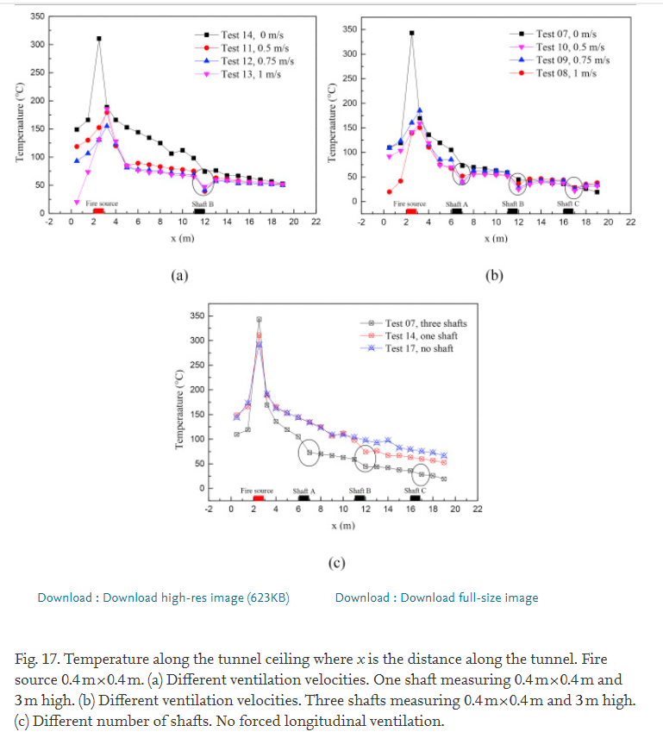

7. Max. Temperature on transverse ventilation with tilt (2018 Long-Xing Yu)
Tunnel information
Scale | Real scale |  | Fire source | Fire size
Length | 2800 |  | Ethanol | 1000-4000
Width | 9
Height | 4
Venilation speed |  | 4

Distance | -25.0435 | -15.3043 | -4.86957 | 0 | 5.21739 | 14.6087 | 44.5217
Temperature | 17.6471 | 40.3922 | 55.6863 | 85.098 | 59.6078 | 43.1373 | 33.7255
Distance | -25.0435 | -15.3043 | -4.86957 | 0 | 5.21739 | 14.9565 | 45.2174
Temperature | 29.8039 | 52.9412 | 68.2353 | 76.0784 | 67.8431 | 55.2941 | 42.3529
Distance | -24.6957 | -14.9565 | -4.86957 | 0 | 5.21739 | 14.6087 | 44.8696 | 74.7826 | 104.696
Temperature | 27.8431 | 50.1961 | 63.9216 | 72.1569 | 64.7059 | 52.9412 | 41.5686 | 30.5882 | 29.0196
Distance | -24.6957 | -14.9565 | -4.86957 | 0 | 5.56522 | 14.9565 | 44.8696 | 74.4348 | 104.696
Temperature | 24.7059 | 47.0588 | 74.1176 | 136.471 | 55.6863 | 46.2745 | 36.4706 | 25.4902 | 24.7059

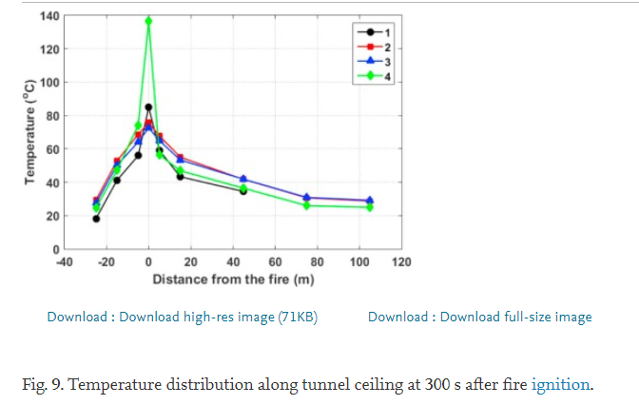

8. Max. Temperature of full scale experiments with shaft (2009 Tong Yan)
Tunnel information
Scale | Real scale |  | Fire source | Fire size
Length | 1770 |  | Diesel oil | 5000
Width | 12.35
Height | 5.75
Venilation speed |  | 4

length | -26.1176 | -15.7647 | -10.1176 | -6.35294 | -3.05882 | 3.05882 | 5.64706 | 11.0588 | 16.2353
Temperature | 46.551 | 59.6095 | 62.1909 | 98.9371 | 81.0195 | 72.5163 | 65.2278 | 45.7918 | 63.4056
length | -120 | -100.471 | -85.1765 | -74.1176 | -65.4118 | -54.3529 | -44.9412 | -35.2941 | -15.2941 | -5.17647 | 4.70588 | 15.0588 | 35.0588 | 54.8235
Temperature | 29.2408 | 34.4035 | 32.885 | 36.2256 | 41.9957 | 43.6659 | 46.7028 | 45.3362 | 55.8134 | 83.9046 | 87.5488 | 76.7679 | 58.5466 | 48.9805
length | -115.294 | -95.7647 | -75.0588 | -64.9412 | -55.2941 | -45.4118 | -25.1765 | -14.8235 | -4.94118 | 4.47059 | 14.8235 | 24.2353 | 39.7647 | 60
Temperature | 28.026 | 30.1518 | 36.9848 | 37.744 | 45.9436 | 48.8286 | 55.3579 | 70.846 | 92.1041 | 93.9262 | 57.9393 | 57.4837 | 55.0542 | 46.8547

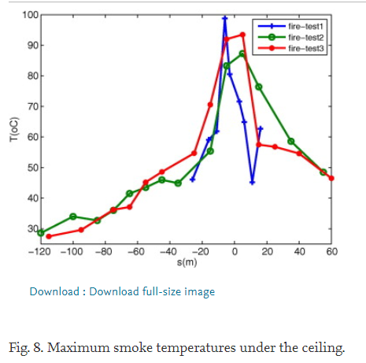

9. Max. Temperature with one opening portal (2014 Miao Cheng)
Tunnel information
Scale | Real scale |  | Fire source | Fire size
Length | 2112 |  | Diesel oil | 1350-3800
Width | 13.2 |  |  | 1350
Height | 7.3 |  |  | 3000
Venilation speed |  | 4 |  | 3800

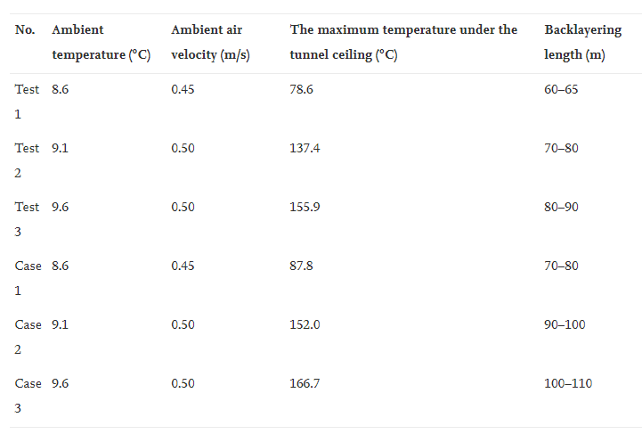

 |  |  |  |  |  |  |  |  |  |  |  |  | Q | Temp.
 |  |  |  |  |  |  |  |  |  |  |  |  | 1350 | 78.6
 |  |  |  |  |  |  |  |  |  |  |  |  | 1350 | 87.8
 |  |  |  |  |  |  |  |  |  |  |  |  | 3000 | 137.4
 |  |  |  |  |  |  |  |  |  |  |  |  | 3000 | 152
 |  |  |  |  |  |  |  |  |  |  |  |  | 3800 | 155.9
 |  |  |  |  |  |  |  |  |  |  |  |  | 3800 | 166.7

10. Max. temperature in curved sidewall (2020Rongliang Pan)
Tunnel information
Scale | 1:4 |  | Fire source | Fire size
Length | 20 |  | Diesel oil | 9.61-64.5 | [kW]
Width | 1.5
Height | 1.5

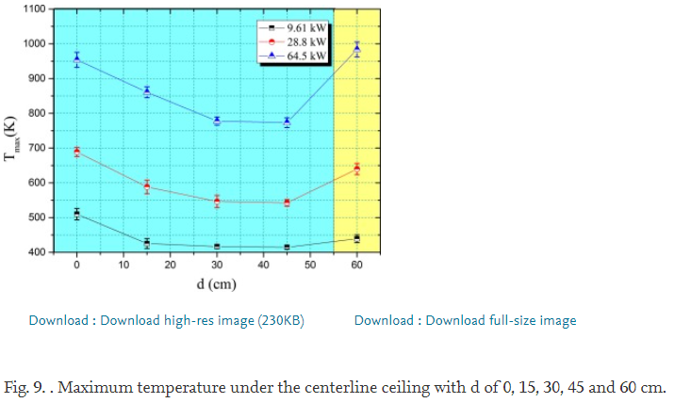

Distance | 0 | 15 | 30 | 45 | 60
Temp | 512.501 | 429.252 | 420.997 | 417.263 | 442.008
Distance | 0 | 15 | 30 | 45 | 60
Temp | 692.496 | 594.254 | 551.506 | 547.75 | 641.51
Distance | 0 | 15 | 30 | 45 | 60
Temp | 953.499 | 862.765 | 778.008 | 774.26 | 982.014

11. Max. temperature in closed utility tunnel (2019 Hao-nan Lui)
Tunnel information
Scale | unknown small scale |  | Fire source | Fire size
Length | 20 |  | Diesel oil | 8.94-59.64
Width | 1.5 |  |  | 8.94
Height | 1.5 |  |  | 26.84
 |  |  |  | 59.64

size of oil pan | 17 | 27 | 35
Experiment value | 230 | 370 | 590
Li's value | 125 | 256 | 435
Corrected value | 218 | 390 | 620

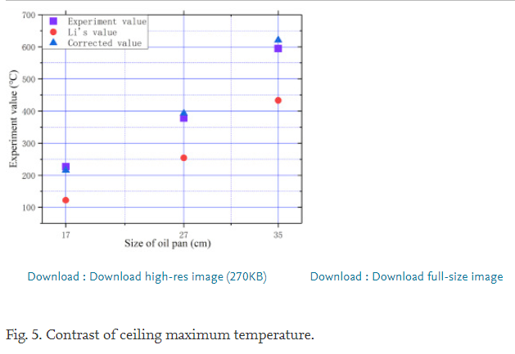

12. Max. temperature in branced tunnel (2019 Youbo Huang)
Tunnel information
Scale | 1:20 |  | Fire source | Fire size
Length | 30.66 |  | LPG | 1.72-6.04 | [kW]
Width | 0.675 |  |  | 1.72
Height | 0.355 |  |  | 2.59
Veniltation speed |  |  |  | 3.45
0.23-1 [m/s] |  |  |  | 4.31
 |  |  |  | 5.18
 |  |  |  | 6.04

 | HRR
ventilation speed | 1.72 | 0.249015 | 0.338293 | 0.399562 | 0.537856 | 0.618381
Temperature |  | 150.474 | 141.263 | 128.368 | 111.421 | 109.579
ventilation speed | 2.59 | 0.341794 | 0.397812 | 0.537856 | 0.621882 | 0.739168
Temperature |  | 174.421 | 164.105 | 146.421 | 139.789 | 122.842
ventilation speed | 3.45 | 0.401313 | 0.537856 | 0.618381 | 0.739168 | 0.828446
Temperature |  | 201.316 | 174.421 | 164.105 | 143.105 | 123.947
ventilation speed | 4.31 | 0.539606 | 0.618381 | 0.737418 | 0.826696 | 0.915974
Temperature |  | 203.895 | 191.368 | 169.263 | 147.158 | 117.684
ventilation speed | 5.18 | 0.537856 | 0.618381 | 0.737418 | 0.824945 | 0.917724
Temperature |  | 235.579 | 210.158 | 189.158 | 171.842 | 153.789
ventilation speed | 6.04 | 0.61663 | 0.733917 | 0.828446 | 0.919475 | 0.996499
Temperature |  | 226 | 207.579 | 195.053 | 176.632 | 148.263

